Sheet1
Summer 2025 Information

KS4 Results and impact
 | Energy Coast UTC 2025 Results |  |  |  |  | Energy Coast UTC 2024 Results
Subject | Grade 4+ | National 4+ Attainment | Average Progress in grades from starting at the UTC |  |  | Grade 4+ | Average Progress in grades from starting at the UTC
English | 58% | 69% | 1.79 |  |  | 65% | 1.27
Maths | 48% | 61% | 1.49 |  |  | 60% | 1.21
Science | 58% | 57% | 1.91 |  |  | 65% | 1.54
Engineering | 70% | 80% | 1.92 |  |  | 93% | 2.65
Construction | 71% | 78% | 1.44 |  |  | 74% | 2.09

Grade 4+ in both English and Maths | 39% |  |  |  |  | 48%

Progress 8 (P8) does not apply to UTCs and any published P8 score is not an appropriate measure to judge a UTC by.
The UTC Progress measure is progress from starting points when students join the UTC.
Students take a bank of nationally recognised tests to assess their current level of ability
National expected progress during this time is approximately 1.3 grades.
Students at the UTC make exceptionally good progress during this time.

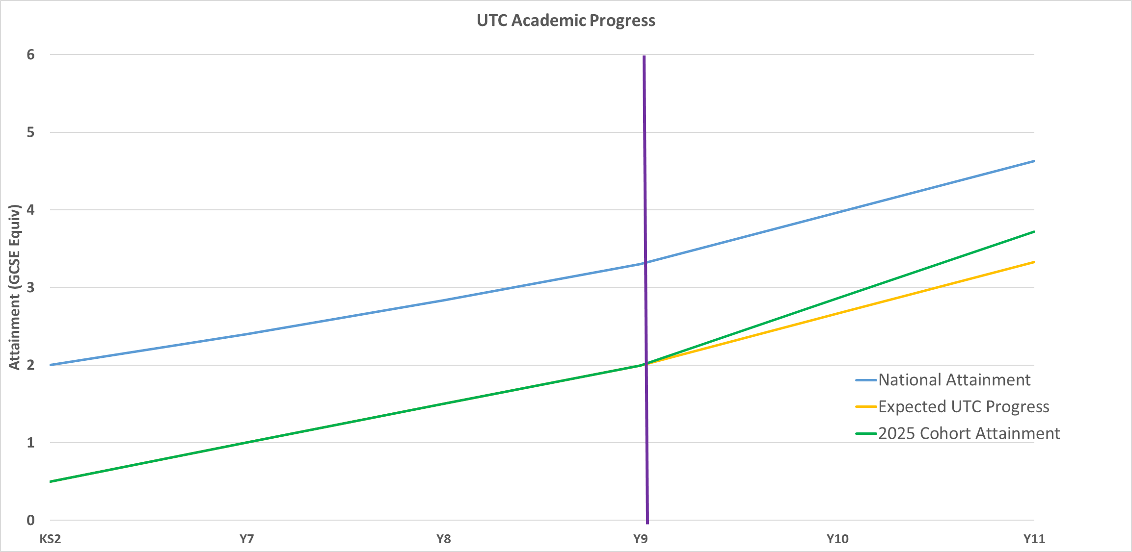

When we perform academic testing with studsents on joining us we find that on average students have made very little progress since their end of KS2
assessments. This links to their poor experience during secondary school and links with the low attendance levels seen below.
The chart above shows that students make accelerated progress at UTC and make up for some of their lost education prior to joining us.
We strive to instill in our students a high expectation and reengage them with education - our aim is that students make the same progress from KS2
that could be expected with 5 years of quality educational provision.

KS4 Destinations
 | Energy Coast UTC 2025 |  | National Average (2023) |  | Cumbria Average (2022) |  |  | Energy Coast UTC 2024
Continue into Education |  | 75% |  | 86% |  | 79% |  |  | 73%
- Remain at UTC | 30% |  |  |  |  |  |  | 45%
- Other Sixth Form | 2% |  | 49% |  | 39% |  |  | 4%
- Further Education | 44% |  | 37% |  | 40% |  |  | 24%
Apprenticeship |  | 22% |  | 4% |  | 10% |  |  | 17%
- Level 2 | 10% |  | 2% |  | 5% |  |  | 2%
- Level 3+ | 12% |  | 2% |  | 5% |  |  | 15%

Students are well prepared for progression into apprenticeships - our apprenticeship routes (and importantly levels of apprenticeship) are significantly higher
than local and national averages.
Students are well placed at the end of Year 11 to move into excellent apprenticeships or stay at UTC into sixth form to prepare for higher level apprenticeships
as shown below.

KS4 Attendance
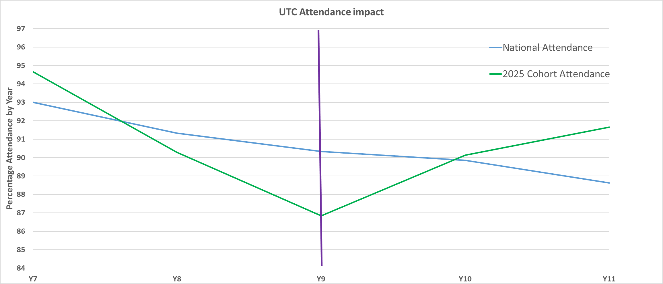

The chart shows the attendance of our students last year at their previous schools and the change in that trend when they join the UTC.
A large number of our students have had a poor experience during their early years at secondary school and this is reflected in their attendance
and their academic progress during Years 7 to 9 when compared to average students nationally.
The purple line shows the transition to UTC and the change in trend is obvious at this point.

KS5 Results and impact
 | 2025 Results |  | 2024 Results
Average Points Score | 26.3 |  | 25.2
Average Grade | Merit |  | Merit

KS5 Destinations
 | Energy Coast UTC 2025 |  | National Average (2022) |  | Cumbria (2022) |  |  | Energy Coast UTC 2024
Apprenticeship |  | 57% |  | 10% |  | 16% |  |  | 51%
- Level 2 | 3% |  | 3% |  | 4% |  |  | 0%
- Level 3 | 3% |  | 3% |  | 8% |  |  | 11%
- Level 4+ | 51% |  | 4% |  | 4% |  |  | 41%
University & Further Education |  | 11% |  | 55% |  | 45% |  |  | 8%
- Level 2 | 0% |  | 2% |  | 1% |  |  | 0%
- Level 3 | 0% |  | 4% |  | 3% |  |  | 0%
- Higher Education | 11% |  | 49% |  | 41% |  |  | 8%
Employment |  | 17% |  | 24% |  | 26% |  |  | 11%

Higher level apprenticeship placements for Year 13 students are consistently far above national and local levels.
There are also routes for students into Higher education if they prefer this route but the draw of Higher level (including degree level) apprenticeships means
a large proportion of our students choose this route after UTC.

